App homepage UI
Bug ID |  | Bug_001 | Bug Title | Android_UserInterfaceIssue_AppUI
Created By |  | Ehab Atef | Testing Environment | Android 11 |  | App Version |  | 1.14.0.2187

Tester's Name |  | Ehab Atef | Date Tested | 25/11/2021 |  | Test Case (Pass/Fail/Not Executed/Blocked) |  | Fail | Testing Devices |  | Xiaomi Pad 5 - Samsung S20fe

S # | Prerequisites: |  |  | S # | Test Data
1 | Android Device version 4.4 and up |  |  | 1
2 | App Installed on the Device |  |  | 2
3 | Free User Account |  |  | 3
4 |  |  |  | 4

Test Scenario | Verify user's interface is unified across android Devices, the Experience should be the same
Test Case Description |  | Testing App homepage UI

Step # | Step Details |  | Expected Results | Actual Results |  |  | Pass / Fail / Not executed / Suspended |  | Attachments | Affected Devices | Network | Severity | Priority | Impact | Comment

Xiaomi Pad 5
Samsung S20fe
1 | Open the App |  | Home screen should open | As Expected |  |  | Pass
2 | Check UI of the homepage |  | UI should be the same for all the android devices | UI is not the same across the two testing devices, Buttons is not the same |  |  | Fail |  | 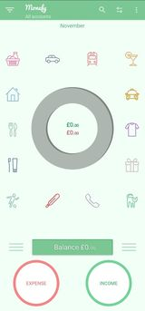 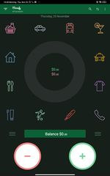 | Xiaomi Pad 5 - Samsung S20fe | Wifi | Low | low | User experience is not the same - User's Confusion | Different UI elements [Buttons] - Different Elements Arrangement

Dark Theme
Bug ID |  | Bug_002 | Bug Title | Android_UserInterfaceIssue_AppUI
Created By |  | Ehab Atef | Testing Environment | Android 11 |  | App Version |  | 1.14.0.2187

Tester's Name |  | Ehab Atef | Date Tested | 25/11/2021 |  | Test Case (Pass/Fail/Not Executed/Blocked) |  | Fail | Testing Devices |  | Xiaomi Pad 5 - Samsung S20fe

S # | Prerequisites: |  |  | S # | Test Data
1 | Android Device version 4.4 and up |  |  | 1
2 | App Installed on the Device |  |  | 2
3 | Free User Account |  |  | 3
4 |  |  |  | 4

Test Scenario | Verify user's interface is unified across android Devices, the Experience should be the same
Test Case Description |  | Testing App Dark Theme

Step # | Step Details |  | Expected Results | Actual Results |  |  | Pass / Fail / Not executed / Suspended |  | Attachments | Affected Devices | Network | Severity | Priority | Impact | Comment

Xiaomi Pad 5
Samsung S20fe
1 | Change the Device theme to the Dark Theme |  | Dark Theme Applied | As Expected |  |  | Pass
2 | Open the App |  | Home screen should open | As Expected |  |  | Pass
3 | Check UI of the homepage |  | UI shows Light Theme | Xiaomi Pad 5 shows dark theme |  |  | Fail |  |  | Xiaomi Pad 5 | Wifi | Low | Critical | Revenue Loss | Different UI Across Devices

Calculator_InvalidOperation
Bug ID |  | Bug_003 | Bug Title | Android_UsabilityIssue_RecordsControl
Created By |  | Ehab Atef | Testing Environment | Android 11 |  | App Version |  | 1.14.0.2187

Tester's Name |  | Ehab Atef | Date Tested | 25/11/2021 |  | Test Case (Pass/Fail/Not Executed/Blocked) |  | Fail | Testing Devices |  | Xiaomi Pad 5 - Samsung S20fe

S # | Prerequisites: |  |  | S # | Test Data
1 | Android Device version 4.4 and up |  |  | 1
2 | App Installed on the Device |  |  | 2
3 | Free User Account |  |  | 3
4 |  |  |  | 4

Test Scenario | Verify Records Control (Adding-Deleting-Editing Records)
Test Case Description |  | Testing calculator invalid mathmatical operations [add - sub - multip - div]

Step # | Step Details |  | Expected Results | Actual Results |  |  | Pass / Fail / Not executed / Suspended |  | Attachments | Affected Devices | Network | Severity | Priority | Impact | Comment

Xiaomi Pad 5
Samsung S20fe
1 | Open the App |  | Home screen should open | As Expected |  |  | Pass
2 | Click the Income||Addition button |  | Calculator should open with an option to choose the addition category | As Expected |  |  | Pass
3 | Type "6+=" |  | No action should be taken & 6 should not change | 12 is displayed |  |  | Fail |  |  | All Android Devices | Wifi | high | Medium | Users Experience will be affected | Integrated Calculator software issue in all the mathmatical operations
4 | Type "6x=" |  | No action should be taken & 6 should not change | 36 is displayed |  |  | Fail |  |  | All Android Devices | Wifi | high | Medium | Users Experience will be affected | Integrated Calculator software issue in all the mathmatical operations

Budget Planner
Bug ID |  | Bug_004 | Bug Title | Android_UsabilityIssue_AppSettingTab
Created By |  | Ehab Atef | Testing Environment | Android 11 |  | App Version |  | 1.14.0.2187

Tester's Name |  | Ehab Atef | Date Tested | 25/11/2021 |  | Test Case (Pass/Fail/Not Executed/Blocked) |  | Fail | Testing Devices |  | Xiaomi Pad 5 - Samsung S20fe

S # | Prerequisites: |  |  | S # | Test Data
1 | Android Device version 4.4 and up |  |  | 1
2 | App Installed on the Device |  |  | 2
3 | Free User Account |  |  | 3
4 |  |  |  | 4

Test Scenario | Verify settings tab functionalities
Test Case Description |  | Testing Budget Planner Functionality

Step # | Step Details |  | Expected Results | Actual Results |  |  | Pass / Fail / Not executed / Suspended |  | Attachments | Affected Devices | Network | Severity | Priority | Impact | Comment

Xiaomi Pad 5
Samsung S20fe
1 | Open the App |  | Home screen should open | As Expected |  |  | Pass
2 | Click the Income||Addition button |  | Calculator should open with an option to choose the addition category | As Expected |  |  | Pass
3 | Submit the 20USD to be Added Cash Category Salary |  | Balance Tab & Balance Icon inside the chart shows 20.00 USD | As Expected |  |  | Pass
4 | Activate the budget mode from the settings with 10 USD Value |  | Balance Tab & Balance Icon inside the chart shows 10.00 USD | Balance Tab & Balance Icon inside the chart shows a wrong balance on the xiaomi pad 5 |  |  | Fail |  | 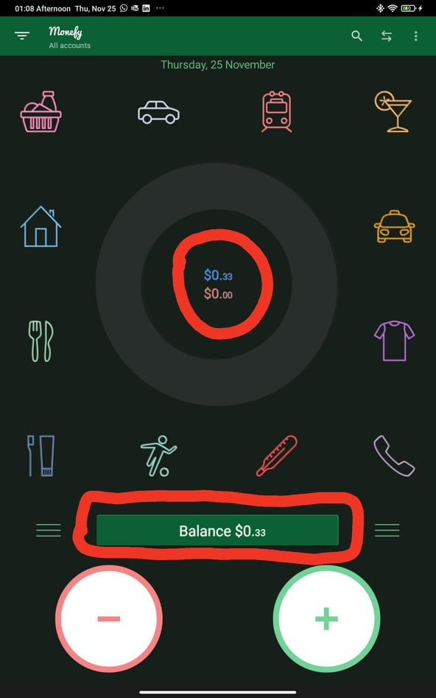 | Xiaomi Pad 5 | Wifi | Showstopper | Critical | Revenue Loss, some android users will not be able to use the budget mode Ex:Xiaomi users | Not all android Devices are facing the issue

Language
Bug ID |  | Bug_005 | Bug Title | Android_UserInterfaceIssue_AppUI
Created By |  | Ehab Atef | Testing Environment | Android 11 |  | App Version |  | 1.14.0.2187

Tester's Name |  | Ehab Atef | Date Tested | 25/11/2021 |  | Test Case (Pass/Fail/Not Executed/Blocked) |  | Fail | Testing Devices |  | Xiaomi Pad 5 - Samsung S20fe

S # | Prerequisites: |  |  | S # | Test Data
1 | Android Device version 4.4 and up |  |  | 1
2 | App Installed on the Device |  |  | 2
3 | Free User Account |  |  | 3
4 |  |  |  | 4

Test Scenario | Verify settings tab functionalities
Test Case Description |  | Testing different app language

Step # | Step Details |  | Expected Results | Actual Results |  |  | Pass / Fail / Not executed / Suspended |  | Attachments | Affected Devices | Network | Severity | Priority | Impact | Comment

1 | Open the App |  | Home screen should open | As Expected |  |  | Pass
2 | Change the App Language to francais from the settings |  | All the App Language should be changed to francais | Only the date changes to francais, App is still displaying using english language |  |  | Fail |  | 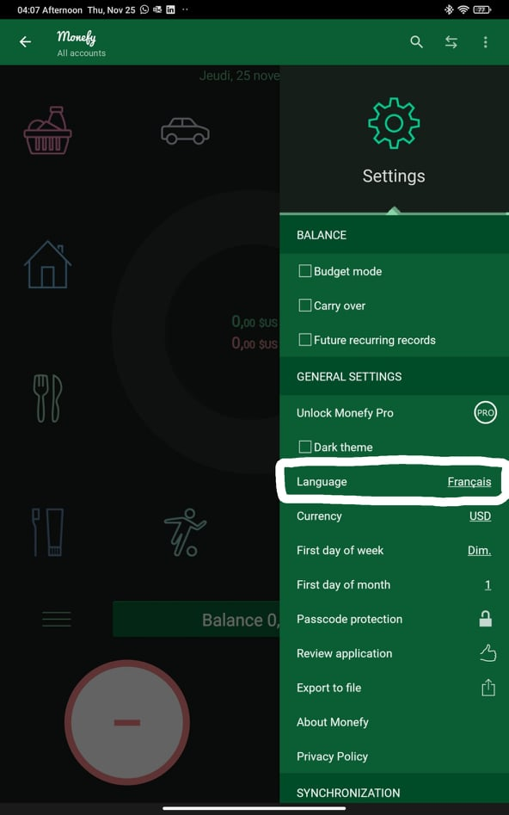 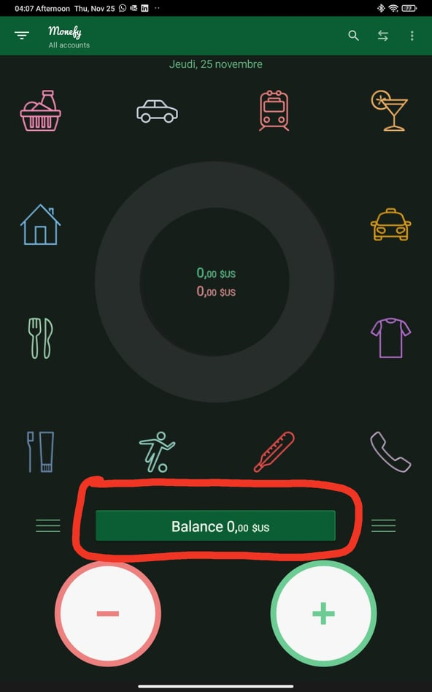 | All Android Devices | Wifi | Critical | High | User's Experience is critically affected | Users will not be able to use the app except in English Language
Xiaomi Pad 5
Samsung S20fe

Restoring Categories
Bug ID |  | Bug_006 | Bug Title | Android_UsabilityIssue_TabsMenuUI
Created By |  | Ehab Atef | Testing Environment | Android 11 |  | App Version |  | 1.14.0.2187

Tester's Name |  | Ehab Atef | Date Tested | 25/11/2021 |  | Test Case (Pass/Fail/Not Executed/Blocked) |  | Pass | Testing Devices |  | Xiaomi Pad 5 - Samsung S20fe

S # | Prerequisites: |  |  | S # | Test Data
1 | Android Device version 4.4 and up |  |  | 1
2 | App Installed on the Device |  |  | 2
3 | Free User Account |  |  | 3
4 |  |  |  | 4

Test Scenario | Verify Categories Tab Features
Test Case |  | Test Restoring Deleted Free Categories

Step # | Step Details |  | Expected Results | Actual Results |  |  | Pass / Fail / Not executed / Suspended |  | Attachments | Affected Devices | Network | Severity | Priority | Impact | Comment

1 | Open the App |  | Home screen should open | As Expected |  |  | Pass
2 | Click the "Three dots" >> "Categories" |  | All payment categories is displayed | As Expected |  |  | Pass
3 | Try to delete all the Categories |  | User should be able to delete all the categories except 1 category | As Expected |  |  | Pass
4 | Try restoring any the deleted categories |  | User should be able to restore the deleted categories without losing current data | User cannot restore any deleted free category without clearing all the Data using the clear data button |  |  | Fail |  | 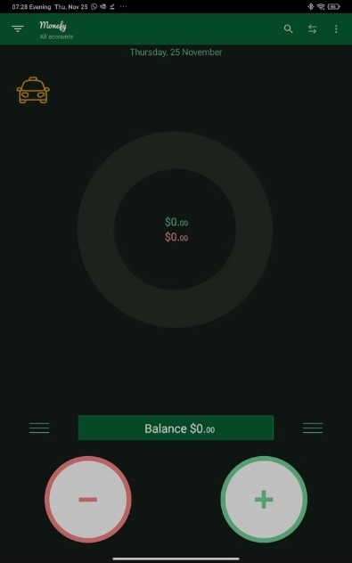 | All Android Devices | Wifi | Showstopper | Critical | App loses core functionality

Tabs Menu UI
Bug ID |  | Bug_007 | Bug Title | Android_UsabilityIssue_TabsMenuUI
Created By |  | Ehab Atef | Testing Environment | Android 11 |  | App Version |  | 1.14.0.2187

Tester's Name |  | Ehab Atef | Date Tested | 25/11/2021 |  | Test Case (Pass/Fail/Not Executed/Blocked) |  | Pass | Testing Devices |  | Xiaomi Pad 5 - Samsung S20fe

S # | Prerequisites: |  |  | S # | Test Data
1 | Android Device version 4.4 and up |  |  | 1
2 | App Installed on the Device |  |  | 2
3 | Free User Account |  |  | 3
4 |  |  |  | 4

Test Scenario | Verify user's interface is unified across android Devices, the Experience should be the same
Test Case |  | Testing Menu UI

Step # | Step Details |  | Expected Results | Actual Results |  |  | Pass / Fail / Not executed / Suspended |  | Attachments | Affected Devices | Network | Severity | Priority | Impact | Comment

1 | Open the App |  | Home screen should open | As Expected |  |  | Pass
2 | Click the "Three dots" >> "Categories" |  | All payment categories is displayed | As Expected |  |  | Pass
3 | Delete all the Categories except any 3 Categories |  | 3 Categories only are shown on the homepage | As Expected |  |  | Pass
4 | Click the "Three dots" >> "Categories" |  | Only the categories tab should be displayed | 1.Accounts tab is displayed and clickable and expands while the category tab is already expanded 2.Settings tab is displayed and clickable and expands while the category tab is already expanded 3.Upon expanding the Settings Tab the scrolling inside the settings does not work properly |  |  | Fail |  | 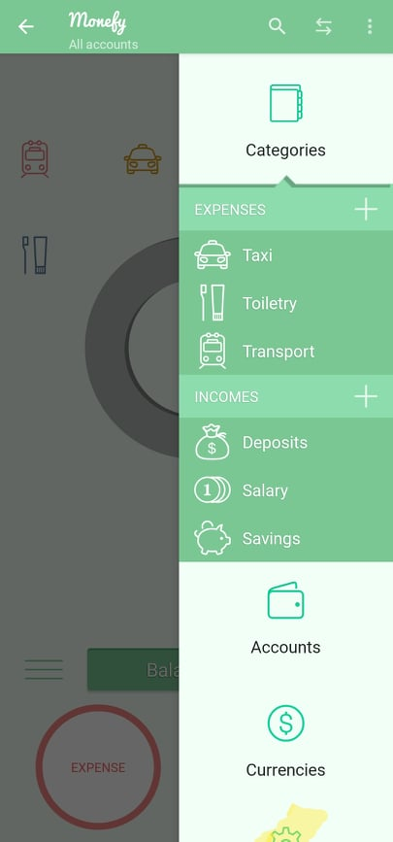 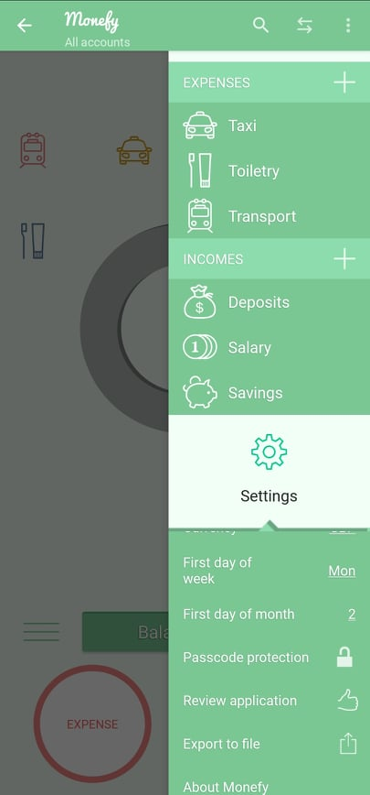 | All Android Devices | Wifi | Medium | High | App loses core functionality | Expected behaviour is: Upon expanding Categories tab all other tabs are moved out of the display

